MOSCHINO Purchase Order
MOSCHINO PURCHASE ORDER SHEET
MODEL | REFERENCIA | MATERIAL | COLOR Spanish | Color English | MADE IN | 35 | 36 | 37 | 38 | 39 | 40 | 41 | TOTAL | RRP | TOTAL RRP | WHOLESALE | 35 | 36 | 37 | 38 | 39 | 40 | 41 | Total Purchase Order Quantities | Total Purchase Order Sum
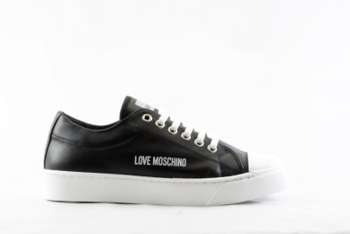 | JA1547 | Leather | NEGRO | Black | Spain |  | 30 | 42 | 58 | 56 | 46 | 21 | 253 | 159.00 € | 40,227.00 € | 66.00 €
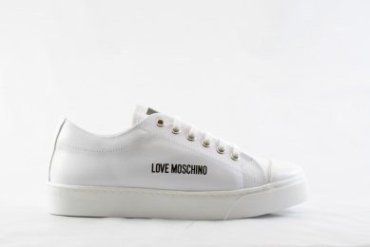 | JA1547 | Leather | BLANCO | White | Spain | 8 | 85 | 141 | 197 | 171 | 109 | 40 | 751 | 159.00 € | 119,409.00 € | 66.00 €
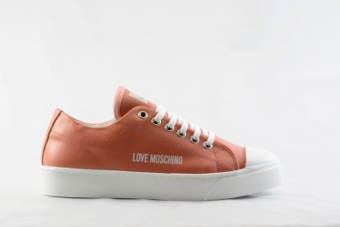 | JA1547 | Leather | MAQUILLAJE | Orange | Spain | 1 | 23 | 28 | 44 | 41 | 21 | 15 | 173 | 159.00 € | 27,507.00 € | 66.00 €
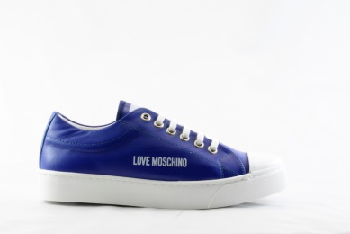 | JA1547 | Leather | AZUL | Blue | Spain | 1 | 13 | 26 | 30 | 21 | 17 | 2 | 110 | 159.00 € | 17,490.00 € | 66.00 €
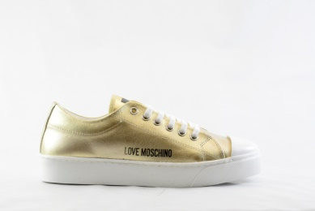 | JA1547 | Laminated leather | PLATINO | Gold | Spain | 1 | 16 | 20 | 23 | 23 | 23 | 8 | 114 | 159.00 € | 18,126.00 € | 66.00 €
NO IMAGE SILVER | JA1547 | Laminated Leather | PLATA | Silver | Spain | 2 | 11 | 21 | 28 | 22 | 19 | 14 | 117 | 159.00 € | 18,603.00 € | 66.00 €
 | JA1549 | Leather | NEGRO | Black | Spain | 4 | 16 | 33 | 55 | 47 | 37 | 19 | 211 | 159.00 € | 33,549.00 € | 66.00 €
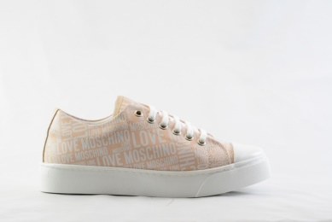 | JA1549 | Leather | NUDE | Beige | Spain | 5 | 71 | 154 | 240 | 205 | 88 | 17 | 780 | 169.00 € | 131,820.00 € | 70.00 €
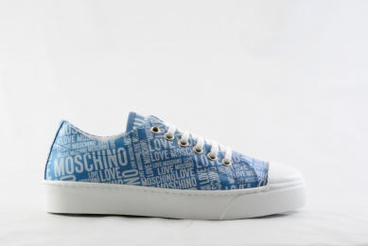 | JA1549 | Leather | CELESTE | Sky | Spain | 6 | 14 | 24 | 32 | 28 | 15 | 9 | 128 | 169.00 € | 21,632.00 € | 70.00 €
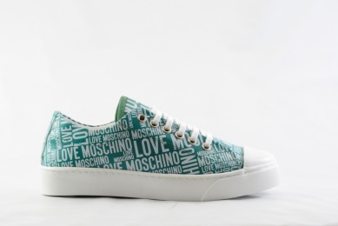 | JA1549 | Leather | ACUARIO | Water turquoise | Spain | 1 | 19 | 23 | 35 | 19 | 15 | 1 | 113 | 169.00 € | 19,097.00 € | 70.00 €
 |  |  |  |  |  |  |  |  |  |  |  |  | 2750 |  | 447,460.00 €

